Output
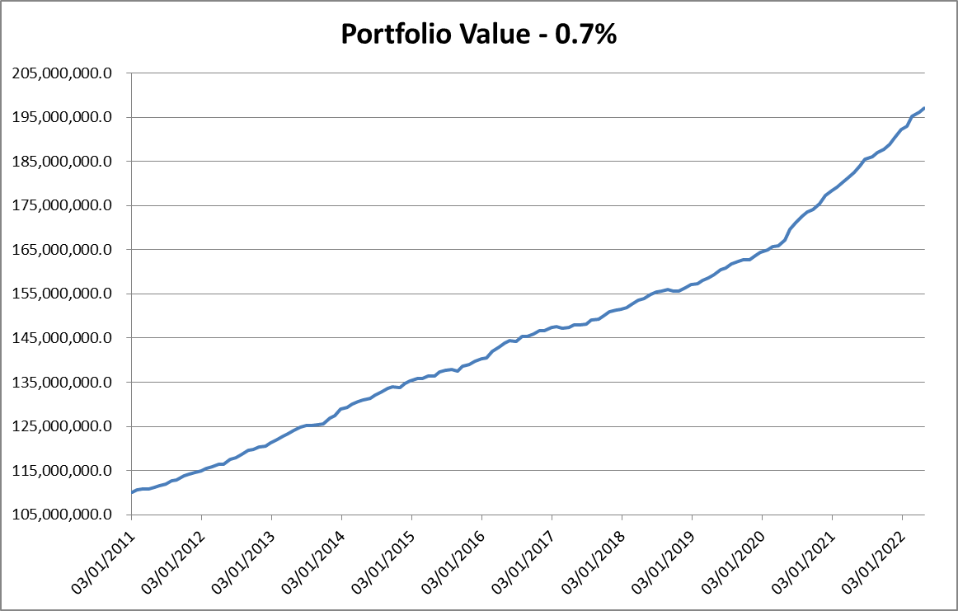
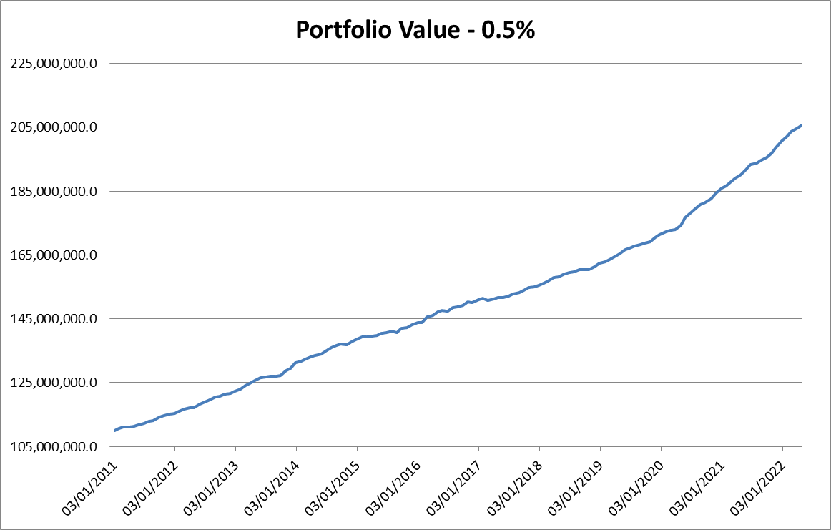

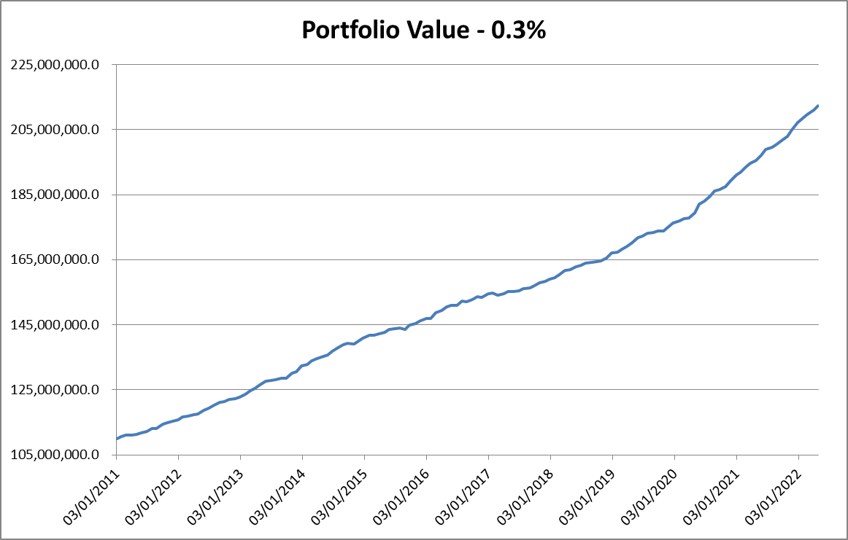
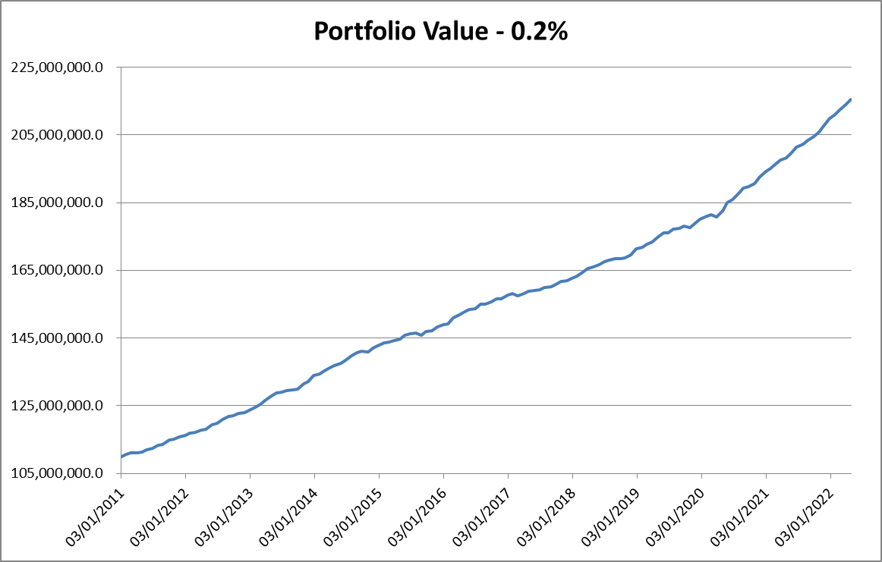
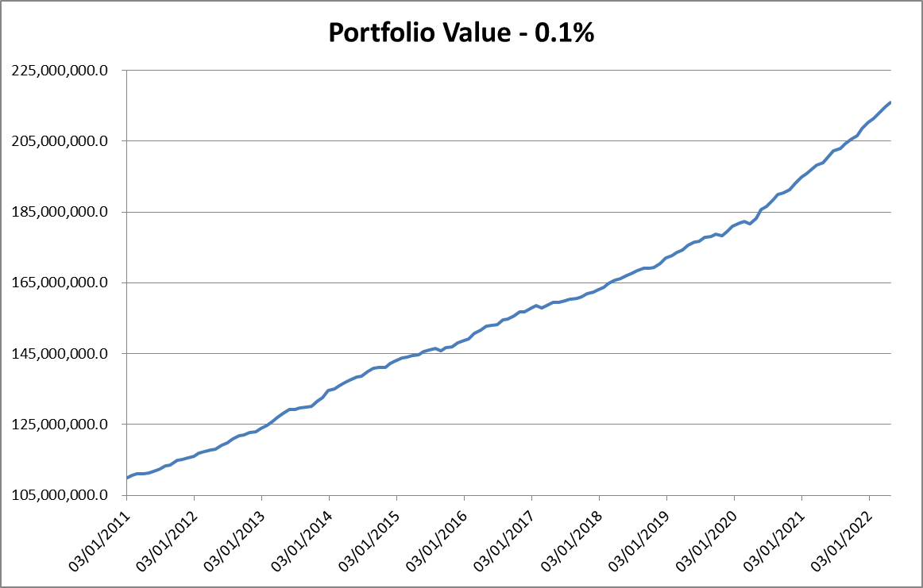
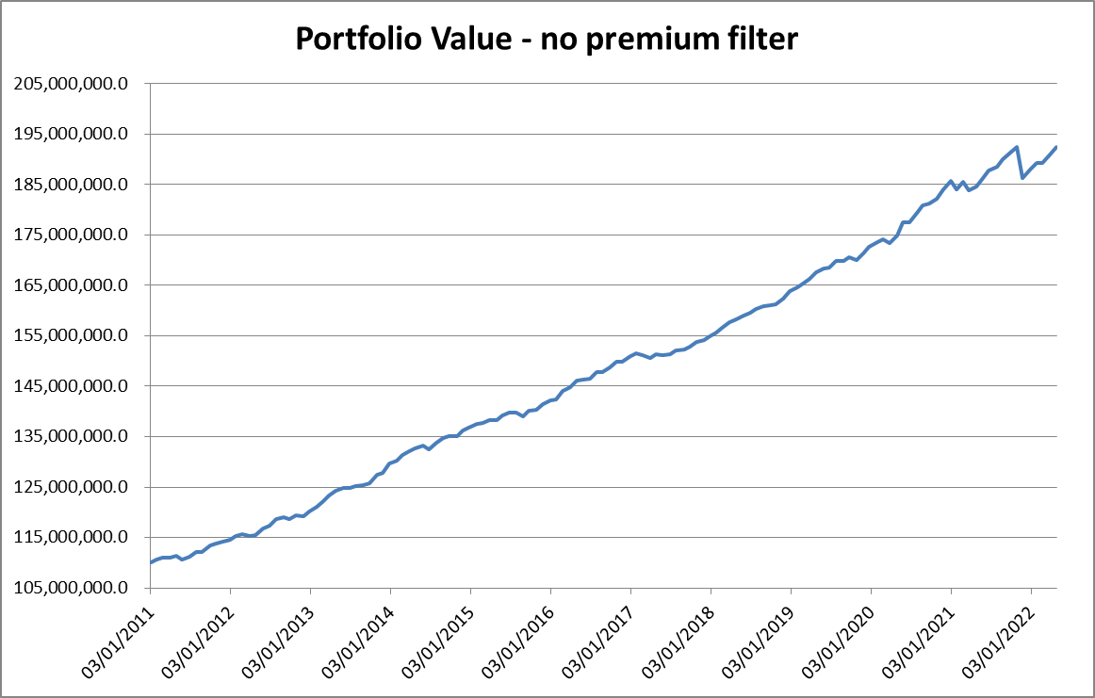
Timeframe: | 15 mins
PSAR ACC Factor: | 0.02
Delta: | At the money

 |  | more than 1% of premium / underlying |  |  |  |  |  | more than 0.9% of premium / underlying |  |  |  |  |  | more than 0.8% of premium / underlying |  |  |  |  |  | more than 0.7% of premium / underlying |  |  |  |  |  | more than 0.6% of premium / underlying |  |  |  |  |  | more than 0.5% of premium / underlying |  |  |  |  |  | more than 0.4% of premium / underlying |  |  |  |  |  | more than 0.3% of premium / underlying |  |  |  |  |  | more than 0.2% of premium / underlying |  |  |  |  |  | more than 0.1% of premium / underlying |  |  |  |  |  | No premium filter
 |  | Symbol | PERIOD |  | CAR | Max System Drawdown | CAR/MDD | Symbol | PERIOD |  | CAR | Max System Drawdown | CAR/MDD | Symbol | PERIOD |  | CAR | Max System Drawdown | CAR/MDD | Symbol | PERIOD |  | CAR | Max System Drawdown | CAR/MDD | Symbol | PERIOD |  | CAR | Max System Drawdown | CAR/MDD | Symbol | PERIOD |  | CAR | Max System Drawdown | CAR/MDD | Symbol | PERIOD |  | CAR | Max System Drawdown | CAR/MDD | Symbol | PERIOD |  | CAR | Max System Drawdown | CAR/MDD | Symbol | PERIOD |  | CAR | Max System Drawdown | CAR/MDD | Symbol | PERIOD |  | CAR | Max System Drawdown | CAR/MDD | Symbol | PERIOD |  | CAR | Max System Drawdown | CAR/MDD
 |  |  | Start Date | End Date | Options | Options | Options |  | Start Date | End Date | Options | Options | Options |  | Start Date | End Date | Options | Options | Options |  | Start Date | End Date | Options | Options | Options |  | Start Date | End Date | Options | Options | Options |  | Start Date | End Date | Options | Options | Options |  | Start Date | End Date | Options | Options | Options |  | Start Date | End Date | Options | Options | Options |  | Start Date | End Date | Options | Options | Options |  | Start Date | End Date | Options | Options | Options |  | Start Date | End Date | Options | Options | Options
 |  | AUBANK | 2021-03-01 | 2022-04-28 | 10.46% | -1.54% | 6.792 | AUBANK | 2021-03-01 | 2022-04-28 | 10.64% | -1.54% | 6.909 | AUBANK | 2021-03-01 | 2022-04-28 | 10.75% | -1.54% | 6.981 | AUBANK | 2021-03-01 | 2022-04-28 | 11.36% | -1.55% | 7.329 | AUBANK | 2021-03-01 | 2022-04-28 | 11.60% | -1.54% | 7.532 | AUBANK | 2021-03-01 | 2022-04-28 | 12.39% | -1.29% | 9.605 | AUBANK | 2021-03-01 | 2022-04-28 | 12.10% | -1.51% | 8.013 | AUBANK | 2021-02-26 | 2022-04-28 | 11.52% | -1.79% | 6.436 | AUBANK | 2021-02-26 | 2022-04-28 | 10.79% | -1.87% | 5.770 | AUBANK | 2021-02-26 | 2022-04-28 | 11.45% | -1.86% | 6.156 | AUBANK | 2021-02-26 | 2022-04-28 | 11.86% | -1.85% | 6.411
 |  | AXISBANK | 2011-01-03 | 2022-04-28 | 4.18% | -2.90% | 1.441 | AXISBANK | 2011-01-03 | 2022-04-28 | 4.55% | -2.30% | 1.978 | AXISBANK | 2011-01-03 | 2022-04-28 | 4.45% | -2.29% | 1.943 | AXISBANK | 2011-01-03 | 2022-04-28 | 4.73% | -2.28% | 2.075 | AXISBANK | 2011-01-03 | 2022-04-28 | 4.97% | -2.27% | 2.189 | AXISBANK | 2011-01-03 | 2022-04-28 | 5.21% | -2.65% | 1.966 | AXISBANK | 2011-01-03 | 2022-04-28 | 5.19% | -2.45% | 2.118 | AXISBANK | 2011-01-03 | 2022-04-28 | 5.54% | -2.23% | 2.484 | AXISBANK | 2011-01-03 | 2022-04-28 | 5.51% | -2.23% | 2.471 | AXISBANK | 2011-01-03 | 2022-04-28 | 5.62% | -2.23% | 2.520 | AXISBANK | 2011-01-03 | 2022-04-28 | 5.73% | -2.28% | 2.513
 |  | BANDHANBNK | 2020-02-28 | 2022-04-27 | 7.94% | -2.87% | 2.767 | BANDHANBNK | 2020-02-28 | 2022-04-27 | 8.33% | -2.39% | 3.485 | BANDHANBNK | 2020-02-28 | 2022-04-27 | 8.27% | -2.40% | 3.446 | BANDHANBNK | 2020-02-28 | 2022-04-27 | 8.36% | -2.39% | 3.498 | BANDHANBNK | 2020-02-28 | 2022-04-27 | 8.66% | -2.37% | 3.654 | BANDHANBNK | 2020-02-28 | 2022-04-27 | 6.80% | -5.16% | 1.318 | BANDHANBNK | 2020-02-28 | 2022-04-27 | 6.97% | -5.14% | 1.356 | BANDHANBNK | 2020-02-28 | 2022-04-28 | 6.26% | -5.21% | 1.202 | BANDHANBNK | 2020-02-28 | 2022-04-28 | 6.66% | -4.83% | 1.379 | BANDHANBNK | 2020-02-28 | 2022-04-28 | 6.73% | -4.82% | 1.396 | BANDHANBNK | 2020-02-28 | 2022-04-28 | 6.66% | -4.83% | 1.379
 |  | BANKBARODA | 2011-01-17 | 2022-04-28 | 3.33% | -3.93% | 0.847 | BANKBARODA | 2011-01-17 | 2022-04-28 | 3.61% | -3.41% | 1.059 | BANKBARODA | 2011-01-17 | 2022-04-28 | 3.68% | -3.38% | 1.089 | BANKBARODA | 2011-01-17 | 2022-04-28 | 3.81% | -3.21% | 1.187 | BANKBARODA | 2011-01-17 | 2022-04-28 | 3.98% | -2.63% | 1.513 | BANKBARODA | 2011-01-17 | 2022-04-28 | 4.21% | -2.42% | 1.740 | BANKBARODA | 2011-01-17 | 2022-04-28 | 4.23% | -2.39% | 1.770 | BANKBARODA | 2011-01-17 | 2022-04-28 | 4.58% | -2.59% | 1.768 | BANKBARODA | 2011-01-17 | 2022-04-28 | 4.72% | -2.56% | 1.844 | BANKBARODA | 2011-01-17 | 2022-04-28 | 4.89% | -2.50% | 1.956 | BANKBARODA | 2011-01-17 | 2022-04-28 | 3.74% | -13.79% | 0.271
 |  | FEDERALBNK | 2011-01-03 | 2022-04-27 | 6.28% | -2.51% | 2.502 | FEDERALBNK | 2011-01-03 | 2022-04-27 | 6.22% | -2.60% | 2.392 | FEDERALBNK | 2011-01-03 | 2022-04-28 | 6.44% | -2.73% | 2.359 | FEDERALBNK | 2011-01-03 | 2022-04-28 | 6.69% | -2.48% | 2.698 | FEDERALBNK | 2011-01-03 | 2022-04-28 | 6.98% | -2.40% | 2.908 | FEDERALBNK | 2011-01-03 | 2022-04-28 | 7.15% | -2.37% | 3.017 | FEDERALBNK | 2011-01-03 | 2022-04-28 | 7.25% | -2.73% | 2.656 | FEDERALBNK | 2011-01-03 | 2022-04-28 | 7.53% | -3.48% | 2.164 | FEDERALBNK | 2011-01-03 | 2022-04-28 | 7.18% | -4.34% | 1.654 | FEDERALBNK | 2011-01-03 | 2022-04-28 | 7.26% | -4.29% | 1.692 | FEDERALBNK | 2011-01-03 | 2022-04-28 | 6.89% | -4.29% | 1.606
 |  | HDFCBANK | 2011-01-04 | 2022-04-27 | 1.39% | -12.10% | 0.115 | HDFCBANK | 2011-01-04 | 2022-04-27 | 1.26% | -14.45% | 0.087 | HDFCBANK | 2011-01-04 | 2022-04-27 | 1.33% | -14.07% | 0.095 | HDFCBANK | 2011-01-04 | 2022-04-27 | 1.54% | -11.08% | 0.139 | HDFCBANK | 2011-01-04 | 2022-04-27 | 1.83% | -10.69% | 0.171 | HDFCBANK | 2011-01-04 | 2022-04-28 | 2.30% | -8.03% | 0.286 | HDFCBANK | 2011-01-04 | 2022-04-28 | 2.50% | -6.41% | 0.390 | HDFCBANK | 2011-01-03 | 2022-04-28 | 2.66% | -6.06% | 0.439 | HDFCBANK | 2011-01-03 | 2022-04-28 | 3.28% | -3.63% | 0.904 | HDFCBANK | 2011-01-03 | 2022-04-28 | 3.44% | -4.31% | 0.798 | HDFCBANK | 2011-01-03 | 2022-04-28 | 1.61% | -16.51% | 0.098
 |  | ICICIBANK | 2011-01-03 | 2022-04-28 | 4.07% | -3.28% | 1.241 | ICICIBANK | 2011-01-03 | 2022-04-28 | 4.32% | -3.22% | 1.342 | ICICIBANK | 2011-01-03 | 2022-04-28 | 4.41% | -3.84% | 1.148 | ICICIBANK | 2011-01-03 | 2022-04-28 | 4.75% | -4.51% | 1.053 | ICICIBANK | 2011-01-03 | 2022-04-28 | 4.69% | -4.46% | 1.052 | ICICIBANK | 2011-01-03 | 2022-04-28 | 4.74% | -4.74% | 1.000 | ICICIBANK | 2011-01-03 | 2022-04-28 | 4.90% | -4.67% | 1.049 | ICICIBANK | 2011-01-03 | 2022-04-28 | 4.91% | -4.84% | 1.014 | ICICIBANK | 2011-01-03 | 2022-04-28 | 5.28% | -4.55% | 1.160 | ICICIBANK | 2011-01-03 | 2022-04-28 | 5.28% | -4.57% | 1.155 | ICICIBANK | 2011-01-03 | 2022-04-28 | 5.41% | -4.73% | 1.144
 |  | IDFCFIRSTB | 2019-01-16 | 2022-04-28 | 10.68% | -2.81% | 3.801 | IDFCFIRSTB | 2019-01-16 | 2022-04-28 | 11.26% | -2.76% | 4.080 | IDFCFIRSTB | 2019-01-16 | 2022-04-28 | 11.92% | -2.71% | 4.399 | IDFCFIRSTB | 2019-01-16 | 2022-04-28 | 12.08% | -2.70% | 4.474 | IDFCFIRSTB | 2019-01-16 | 2022-04-28 | 12.64% | -2.66% | 4.752 | IDFCFIRSTB | 2019-01-16 | 2022-04-28 | 13.09% | -2.63% | 4.977 | IDFCFIRSTB | 2019-01-16 | 2022-04-28 | 13.57% | -2.59% | 5.239 | IDFCFIRSTB | 2019-01-16 | 2022-04-28 | 13.40% | -2.60% | 5.154 | IDFCFIRSTB | 2019-01-16 | 2022-04-28 | 13.19% | -2.62% | 5.034 | IDFCFIRSTB | 2019-01-16 | 2022-04-28 | 13.05% | -2.63% | 4.962 | IDFCFIRSTB | 2019-01-16 | 2022-04-28 | 13.05% | -2.63% | 4.962
 |  | INDUSINDBK | 2011-01-07 | 2022-04-27 | 3.67% | -2.24% | 1.638 | INDUSINDBK | 2011-01-07 | 2022-04-27 | 3.80% | -3.04% | 1.250 | INDUSINDBK | 2011-01-07 | 2022-04-27 | 4.07% | -3.44% | 1.183 | INDUSINDBK | 2011-01-07 | 2022-04-27 | 3.95% | -3.93% | 1.005 | INDUSINDBK | 2011-01-07 | 2022-04-28 | 4.08% | -4.64% | 0.879 | INDUSINDBK | 2011-01-07 | 2022-04-28 | 4.20% | -5.07% | 0.828 | INDUSINDBK | 2011-01-07 | 2022-04-28 | 4.26% | -5.45% | 0.782 | INDUSINDBK | 2011-01-07 | 2022-04-28 | 4.66% | -5.70% | 0.818 | INDUSINDBK | 2011-01-07 | 2022-04-28 | 4.72% | -5.65% | 0.835 | INDUSINDBK | 2011-01-07 | 2022-04-28 | 4.97% | -5.51% | 0.902 | INDUSINDBK | 2011-01-07 | 2022-04-28 | 3.98% | -9.65% | 0.412
 |  | KOTAKBANK | 2011-01-03 | 2022-04-25 | 5.13% | -5.02% | 1.022 | KOTAKBANK | 2011-01-03 | 2022-04-25 | 5.22% | -4.09% | 1.276 | KOTAKBANK | 2011-01-03 | 2022-04-26 | 5.35% | -5.28% | 1.013 | KOTAKBANK | 2011-01-03 | 2022-04-27 | 5.36% | -4.07% | 1.317 | KOTAKBANK | 2011-01-03 | 2022-04-27 | 5.68% | -2.90% | 1.959 | KOTAKBANK | 2011-01-03 | 2022-04-28 | 6.12% | -2.54% | 2.409 | KOTAKBANK | 2011-01-03 | 2022-04-28 | 6.33% | -3.30% | 1.918 | KOTAKBANK | 2011-01-03 | 2022-04-28 | 6.26% | -3.89% | 1.609 | KOTAKBANK | 2011-01-03 | 2022-04-28 | 5.87% | -4.11% | 1.428 | KOTAKBANK | 2011-01-03 | 2022-04-28 | 5.69% | -4.66% | 1.221 | KOTAKBANK | 2011-01-03 | 2022-04-28 | -3.93% | -65.63% | -0.060
 |  | PNB | 2011-01-04 | 2022-04-28 | 6.91% | -2.69% | 2.569 | PNB | 2011-01-04 | 2022-04-28 | 7.06% | -2.85% | 2.477 | PNB | 2011-01-03 | 2022-04-28 | 7.41% | -2.77% | 2.675 | PNB | 2011-01-03 | 2022-04-28 | 7.57% | -2.92% | 2.592 | PNB | 2011-01-03 | 2022-04-28 | 7.65% | -2.91% | 2.629 | PNB | 2011-01-03 | 2022-04-28 | 7.72% | -2.46% | 3.138 | PNB | 2011-01-03 | 2022-04-28 | 7.94% | -2.43% | 3.267 | PNB | 2011-01-03 | 2022-04-28 | 8.01% | -2.42% | 3.310 | PNB | 2011-01-03 | 2022-04-28 | 7.91% | -7.10% | 1.114 | PNB | 2011-01-03 | 2022-04-28 | 7.81% | -6.97% | 1.121 | PNB | 2011-01-03 | 2022-04-28 | 7.71% | -7.06% | 1.092
 |  | SBIN | 2011-01-03 | 2022-04-27 | 7.34% | -3.36% | 2.185 | SBIN | 2011-01-03 | 2022-04-27 | 7.57% | -2.55% | 2.969 | SBIN | 2011-01-03 | 2022-04-27 | 8.18% | -2.47% | 3.312 | SBIN | 2011-01-03 | 2022-04-27 | 8.13% | -2.13% | 3.817 | SBIN | 2011-01-03 | 2022-04-27 | 8.52% | -2.27% | 3.753 | SBIN | 2011-01-03 | 2022-04-27 | 8.95% | -1.87% | 4.786 | SBIN | 2011-01-03 | 2022-04-27 | 9.06% | -2.64% | 3.432 | SBIN | 2011-01-03 | 2022-04-27 | 8.99% | -3.15% | 2.854 | SBIN | 2011-01-03 | 2022-04-28 | 9.28% | -2.89% | 3.211 | SBIN | 2011-01-03 | 2022-04-28 | 9.12% | -3.58% | 2.547 | SBIN | 2011-01-03 | 2022-04-28 | 8.51% | -10.65% | 0.799
 |  | BANKINDIA | 2011-01-03 | 2019-11-28 | 5.82% | -2.85% | 2.042 | BANKINDIA | 2011-01-03 | 2019-11-28 | 5.81% | -3.35% | 1.734 | BANKINDIA | 2011-01-03 | 2019-11-28 | 5.83% | -3.46% | 1.685 | BANKINDIA | 2011-01-03 | 2019-11-28 | 5.86% | -3.37% | 1.739 | BANKINDIA | 2011-01-03 | 2019-11-28 | 6.06% | -3.89% | 1.558 | BANKINDIA | 2011-01-03 | 2019-11-28 | 6.08% | -4.04% | 1.505 | BANKINDIA | 2011-01-03 | 2019-11-28 | 6.38% | -3.81% | 1.675 | BANKINDIA | 2011-01-03 | 2019-11-28 | 6.72% | -2.66% | 2.526 | BANKINDIA | 2011-01-03 | 2019-11-28 | 6.83% | -2.85% | 2.396 | BANKINDIA | 2011-01-03 | 2019-11-28 | 6.13% | -5.82% | 1.053 | BANKINDIA | 2011-01-03 | 2019-11-28 | 4.98% | -15.16% | 0.328
 |  | CANBK | 2011-01-06 | 2022-04-28 | 8.28% | -2.50% | 3.312 | CANBK | 2011-01-06 | 2022-04-28 | 8.29% | -3.65% | 2.271 | CANBK | 2011-01-06 | 2022-04-28 | 8.37% | -3.60% | 2.325 | CANBK | 2011-01-06 | 2022-04-28 | 8.43% | -3.58% | 2.355 | CANBK | 2011-01-06 | 2022-04-28 | 8.56% | -3.52% | 2.432 | CANBK | 2011-01-06 | 2022-04-28 | 8.54% | -3.53% | 2.419 | CANBK | 2011-01-06 | 2022-04-28 | 8.81% | -3.46% | 2.546 | CANBK | 2011-01-06 | 2022-04-28 | 8.91% | -3.49% | 2.553 | CANBK | 2011-01-06 | 2022-04-28 | 9.11% | -3.47% | 2.625 | CANBK | 2011-01-06 | 2022-04-28 | 9.13% | -3.36% | 2.717 | CANBK | 2011-01-06 | 2022-04-28 | 8.79% | -5.63% | 1.561
 |  | IDBI | 2011-01-03 | 2019-09-26 | 6.21% | -2.01% | 3.090 | IDBI | 2011-01-03 | 2019-09-26 | 6.33% | -1.99% | 3.181 | IDBI | 2011-01-03 | 2019-09-26 | 6.38% | -2.52% | 2.532 | IDBI | 2011-01-03 | 2019-09-26 | 6.46% | -2.50% | 2.584 | IDBI | 2011-01-03 | 2019-09-26 | 6.57% | -2.51% | 2.618 | IDBI | 2011-01-03 | 2019-09-26 | 6.79% | -4.85% | 1.400 | IDBI | 2011-01-03 | 2019-09-26 | 6.85% | -4.68% | 1.464 | IDBI | 2011-01-03 | 2019-09-26 | 6.62% | -4.58% | 1.445 | IDBI | 2011-01-03 | 2019-09-26 | 7.30% | -4.42% | 1.652 | IDBI | 2011-01-03 | 2019-09-26 | 6.36% | -5.79% | 1.098 | IDBI | 2011-01-03 | 2019-09-26 | 6.11% | -5.91% | 1.034
 |  | RBLBANK | 2017-05-26 | 2022-04-28 | 6.06% | -4.75% | 1.276 | RBLBANK | 2017-05-26 | 2022-04-28 | 5.80% | -4.76% | 1.218 | RBLBANK | 2017-05-26 | 2022-04-28 | 5.21% | -6.12% | 0.851 | RBLBANK | 2017-05-26 | 2022-04-28 | 5.40% | -6.13% | 0.881 | RBLBANK | 2017-05-26 | 2022-04-28 | 5.75% | -5.12% | 1.123 | RBLBANK | 2017-05-26 | 2022-04-28 | 5.68% | -5.23% | 1.086 | RBLBANK | 2017-05-26 | 2022-04-28 | 6.29% | -4.37% | 1.439 | RBLBANK | 2017-05-26 | 2022-04-28 | 6.54% | -4.27% | 1.532 | RBLBANK | 2017-05-26 | 2022-04-28 | 6.46% | -4.29% | 1.506 | RBLBANK | 2017-05-26 | 2022-04-28 | 6.67% | -4.03% | 1.655 | RBLBANK | 2017-05-26 | 2022-04-28 | 5.82% | -5.96% | 0.977
 |  | UNIONBANK | 2011-03-17 | 2019-12-26 | 5.43% | -2.16% | 2.514 | UNIONBANK | 2011-03-17 | 2019-12-26 | 5.42% | -2.85% | 1.902 | UNIONBANK | 2011-03-10 | 2019-12-26 | 5.62% | -2.72% | 2.066 | UNIONBANK | 2011-03-10 | 2019-12-26 | 5.86% | -2.68% | 2.187 | UNIONBANK | 2011-03-10 | 2019-12-26 | 5.96% | -2.64% | 2.258 | UNIONBANK | 2011-03-10 | 2019-12-26 | 5.76% | -2.91% | 1.979 | UNIONBANK | 2011-03-10 | 2019-12-26 | 5.85% | -2.88% | 2.031 | UNIONBANK | 2011-03-10 | 2019-12-26 | 5.99% | -3.63% | 1.650 | UNIONBANK | 2011-03-10 | 2019-12-26 | 6.41% | -3.60% | 1.781 | UNIONBANK | 2011-03-10 | 2019-12-26 | 6.18% | -4.44% | 1.392 | UNIONBANK | 2011-03-10 | 2019-12-26 | 4.41% | -18.45% | 0.239
 |  | YESBANK | 2011-01-03 | 2020-05-27 | 6.39% | -2.81% | 2.274 | YESBANK | 2011-01-03 | 2020-05-27 | 6.63% | -2.77% | 2.394 | YESBANK | 2011-01-03 | 2020-05-27 | 6.83% | -2.72% | 2.511 | YESBANK | 2011-01-03 | 2020-05-28 | 7.19% | -3.15% | 2.283 | YESBANK | 2011-01-03 | 2020-05-28 | 7.24% | -3.10% | 2.335 | YESBANK | 2011-01-03 | 2020-05-28 | 7.34% | -3.85% | 1.906 | YESBANK | 2011-01-03 | 2020-05-28 | 7.63% | -3.75% | 2.035 | YESBANK | 2011-01-03 | 2020-05-28 | 7.86% | -3.59% | 2.189 | YESBANK | 2011-01-03 | 2020-05-28 | 7.92% | -3.57% | 2.218 | YESBANK | 2011-01-03 | 2020-05-28 | 7.97% | -3.53% | 2.258 | YESBANK | 2011-01-03 | 2020-05-28 | 6.68% | -15.36% | 0.435

 |  | Average |  |  | 6.09% | -3.46% | 2.301 | Average |  |  | 6.23% | -3.59% | 2.334 | Average |  |  | 6.36% | -3.78% | 2.312 | Average |  |  | 6.53% | -3.59% | 2.401 | Average |  |  | 6.75% | -3.47% | 2.518 | Average |  |  | 6.84% | -3.65% | 2.520 | Average |  |  | 7.01% | -3.59% | 2.399 | Average |  |  | 7.05% | -3.68% | 2.286 | Average |  |  | 7.13% | -3.81% | 2.166 | Average |  |  | 7.10% | -4.16% | 2.033 | Average |  |  | 6.00% | -11.69% | 1.400

 |  | Combined Equity Curve | 2011-01-03 | 2022-04-28 | 5.322% | (0.430%) | 12.388 | Combined Equity Curve | 2011-01-03 | 2022-04-28 | 5.018% | (0.353%) | 14.204 | Combined Equity Curve | 2011-01-03 | 2022-04-28 | 5.175% | (0.286%) | 18.108 | Combined Equity Curve | 2011-01-03 | 2022-04-28 | 5.284% | (0.343%) | 15.398 | Combined Equity Curve | 2011-01-03 | 2022-04-28 | 5.504% | (0.338%) | 16.272 | Combined Equity Curve | 2011-01-03 | 2022-04-28 | 5.679% | (0.418%) | 13.573 | Combined Equity Curve | 2011-01-03 | 2022-04-28 | 5.851% | (0.410%) | 14.274 | Combined Equity Curve | 2011-01-03 | 2022-04-28 | 5.978% | (0.468%) | 12.784 | Combined Equity Curve | 2011-01-03 | 2022-04-28 | 6.115% | (0.545%) | 11.211 | Combined Equity Curve | 2011-01-03 | 2022-04-28 | 6.142% | (0.523%) | 11.749 | Combined Equity Curve | 2011-01-03 | 2022-04-28 | 5.060% | (3.166%) | 1.598

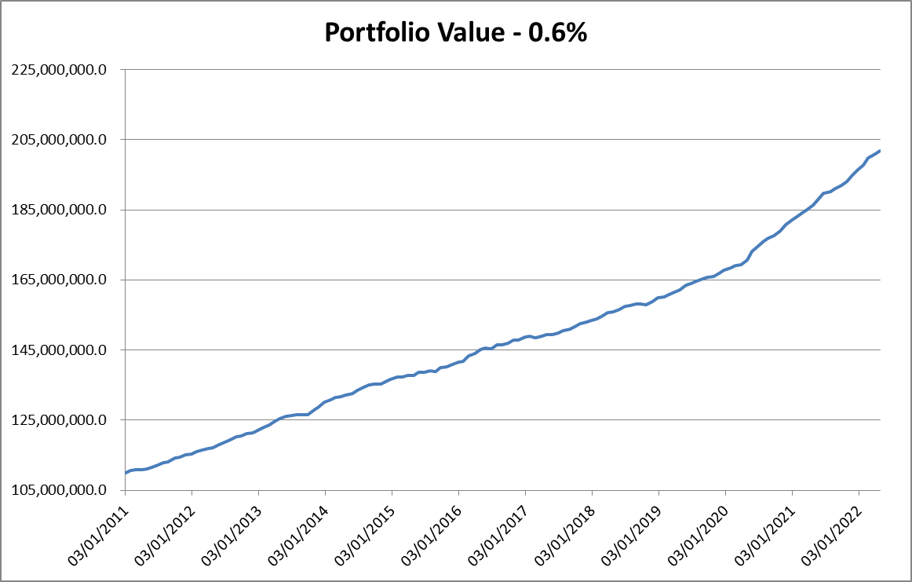
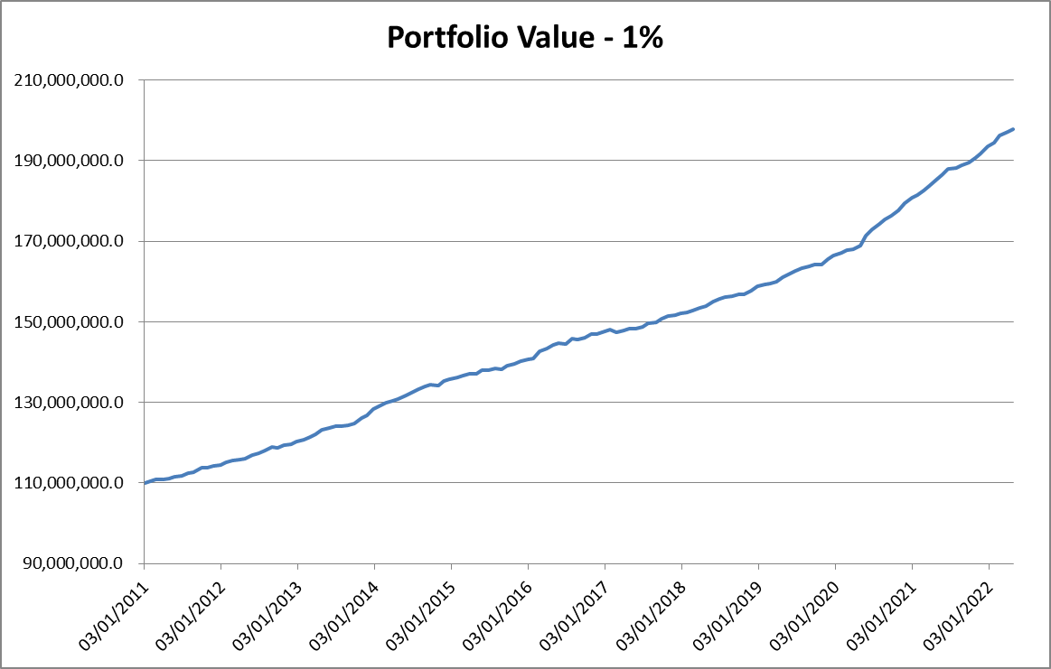
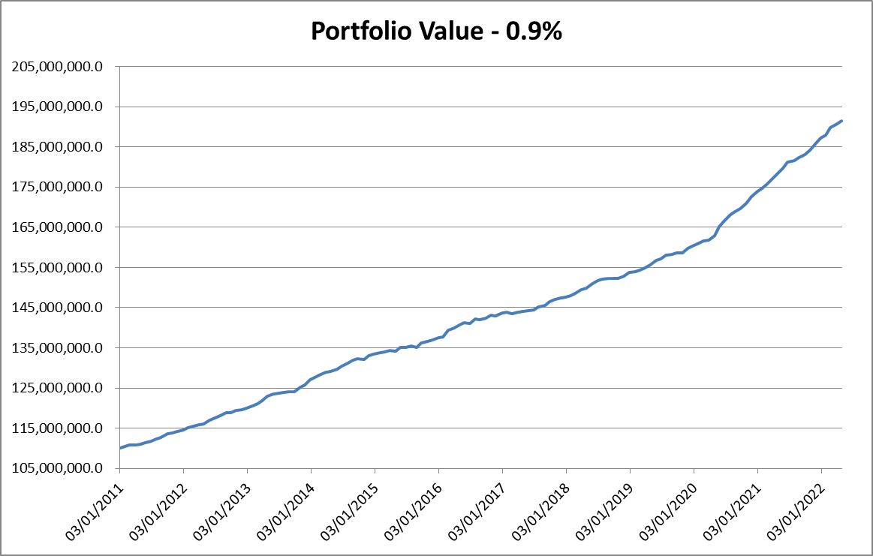
Portfolio Value - 0.8%
 | Portfolio Value
40546 | 110000000
40570 | 110589757.57
40598 | 110839947.93
40633 | 110778145.8
40661 | 111093816.91
40689 | 111444915.76
40724 | 111799873.5
40752 | 112525810.17
40780 | 112739536.17
40815 | 113779887.96
40841 | 113953747.31
40871 | 114403319.66
40906 | 114684058.12
40933 | 115320594.95
40962 | 115689498.58
40997 | 116103277.79
41025 | 116251992.4
41060 | 117176233.64
41088 | 117669401.93
41116 | 118360001.11
41151 | 119157818.87
41179 | 119311324.73
41207 | 119913380.84
41242 | 120118237.87
41270 | 120767941.05
41305 | 121467921.04
41333 | 122211832.48
41361 | 122875490.67
41389 | 123780060.83
41424 | 124461895.42
41452 | 124768059.13
41480 | 124840765.07
41515 | 125049267.87
41543 | 125107411.68
41578 | 126406500.08
41606 | 127032174.67
41634 | 128435701.5
41669 | 129134723.39
41696 | 129799449.75
41725 | 130270094.75
41752 | 130569507.39
41788 | 131003599.21
41816 | 131773658.01
41851 | 132461826.74
41879 | 133279900.05
41907 | 133676954.64
41942 | 133520408.58
41970 | 134309184.53
41997 | 134767285.74
42033 | 135197531.1
...

